Decision Tree
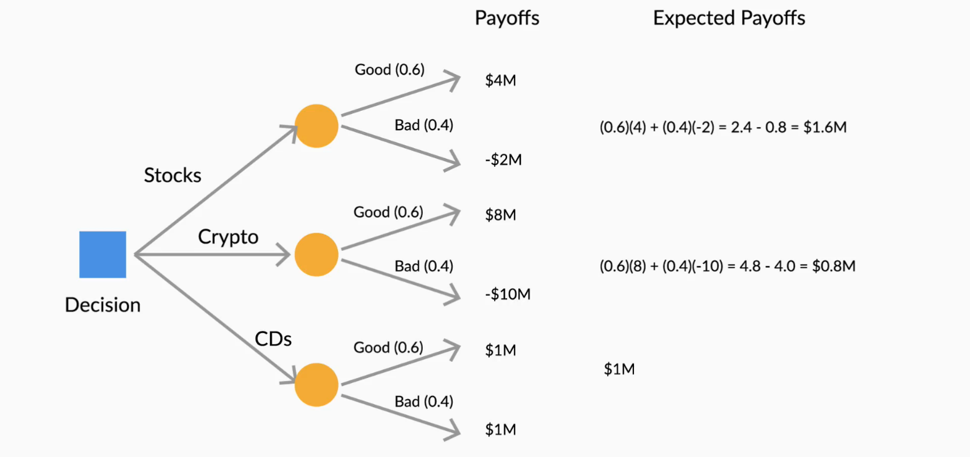
Investment | Good (p1) | Bad (p2) | Good Payoff (x1) | Bad Payoff (x2) | x1*p1 | x2*p2 | Expected Payoffs | (x1-Ep)^2 *(p1) | (x2-Ep)^2 *(p2) | Variance | STD Deviation
Stocks | 0.6 | 0.4 | 4 M | - 2.0 M | 2.4 M | - 0.8 M | 1.6 M | 3,456,000.0 M | 5,184,000.0 M | 8,640,000.0 M | 2939387.6913
Crypto | 0.6 | 0.4 | 8 M | - 10 M | 4.8 M | - 4.0 M | 0.8 M | 31,104,000.0 M | 46,656,000.0 M | 77,760,000.0 M | 8818163.074
CDs | 0.6 | 0.4 | 1 M | 1 M | 0.6 M | 0.4 M | 1.0 M | 0.0 M | 0.0 M | 0.0 M | 0

